Sheet1
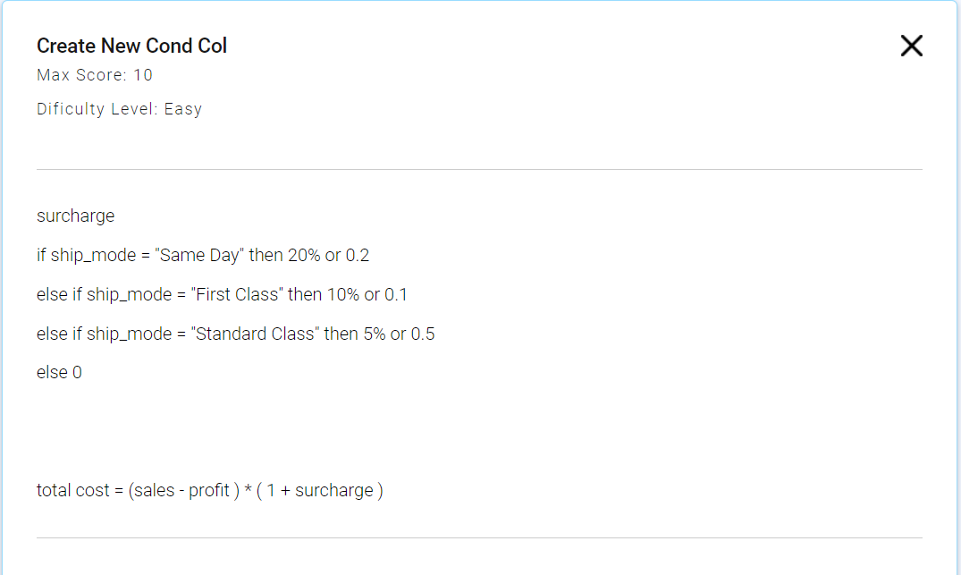
Row_ID | Ship Mode | Sales | Quantity | Profit | Surcharge | Total Cost
1 | First Class | 957.5775 | 5 | -383.031 | 0.1 | 1474.66935
2 | First Class | 22.368 | 2 | 2.5164 | 0.1 | 21.83676
3 | Standard Class | 48.86 | 7 | 14.1694 | 0.5 | 52.0359
4 | Standard Class | 7.28 | 4 | 1.9656 | 0.5 | 7.9716
5 | Standard Class | 907.152 | 6 | 90.7152 | 0.5 | 1224.6552
6 | Same Day | 18.504 | 3 | 5.7825 | 0.2 | 15.2658
7 | Same Day | 114.9 | 5 | 34.47 | 0.2 | 96.516
8 | Same Day | 1706.184 | 9 | 85.3092 | 0.2 | 1945.04976
9 | Same Day | 911.424 | 4 | 68.3568 | 0.2 | 1011.68064
10 | Same Day | 15.552 | 3 | 5.4432 | 0.2 | 12.13056
11 | Standard Class | 407.976 | 3 | 132.5922 | 0.5 | 413.0757
12 | First Class | 68.81 | 5 | -123.858 | 0.1 | 211.9348

 |  |  |  |  |  |  | s

